dashboard
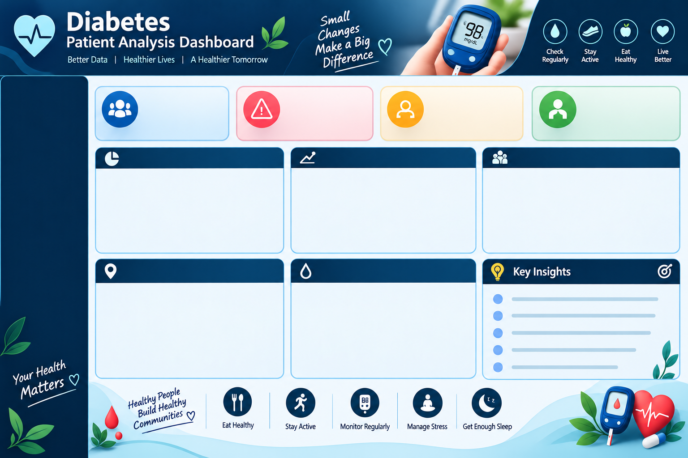

 | Total
High | 17125113
Low | 67443663
Moderate | 27938724
 | Moderate
Active | 7671442
Moderate | 9738653
Sedentary | 10528629
 | Total
Mumbai | 549
Delhi | 472
Bengaluru | 389
Hyderabad | 315
Ahmedabad | 244
Chennai | 235
Kolkata | 211
Pune | 194
Surat | 161
Jaipur | 152
Kanpur | 132
Indore | 126
Nagpur | 124
Thane | 110
Lucknow | 109
Bhopal | 96
Visakhapatnam | 71
Patna | 60
Average Fasting Blood Sugar by Diabetes Risk
 | Total
Moderate | 183.3168
Low | 148.29944444
High | 226.54044444
Top 10 Cities by High-Risk Patients
Average Fasting Blood Sugar by Diabetes Risk
Risk Distribution by Family History
Diabetes Risk by Physical Activity Level
15000
Total Patients
3750
Moderate Risk Patients
15000
High-Risk Patient
#REF!
Low Risk Patients
60% patients are Low-risk.
Sedentary activity has the highest High-risk share.
Family history is associated with a higher High-risk share.
Fasting blood sugar rises as diabetes risk increases.
Mumbai has the most High-risk patients.

Patient Distribution by Diabetes Risk Level
 | Moderate
No | 2115
Yes | 1635

pivote_tables
Patient Distribution by Diabetes Risk Level
What is the distribution of patients across different diabetes risk levels?
Row Labels | Sum of patient_id
High | 17125113
Low | 67443663
Moderate | 27938724
Grand Total | 112507500

How does physical activity level affect diabetes risk?
Diabetes Risk by Physical Activity Level
Risk Distribution by Family History
Sum of patient_id | Column Labels
Row Labels | Moderate | Grand Total
Active | 7671442 | 7671442
Moderate | 9738653 | 9738653
Sedentary | 10528629 | 10528629
Grand Total | 27938724 | 27938724

How does family history of diabetes relate to diabetes risk?
Count of patient_id | Column Labels
Row Labels | Moderate | Grand Total
Top 10 Cities by High-Risk Patients
No | 2115 | 2115
Yes | 1635 | 1635
Grand Total | 3750 | 3750
diabetes_risk | Moderate

Row Labels | Count of patient_id
Mumbai | 549
Delhi | 472
Bengaluru | 389
Hyderabad | 315
Ahmedabad | 244
Chennai | 235
Average Fasting Blood Sugar by Diabetes Risk
Kolkata | 211
Pune | 194
Surat | 161
High-Risk Diabetes Patients by City
Jaipur | 152
Kanpur | 132
Indore | 126
Nagpur | 124
Thane | 110
Lucknow | 109
Bhopal | 96
Visakhapatnam | 71
Patna | 60 | 3750
Grand Total | 3750
How does average fasting blood sugar differ across diabetes risk levels?
Row Labels | Average of fasting_blood_sugar
Moderate | 183.3168
Low | 148.29944444
High | 226.54044444
Grand Total | 168.78993333 |  |  | diabetes_risk | (All)
 |  |  |  |  |  | Row Labels | Count of patient_id
 |  |  | Count of patient_id | Count of patient_id |  | Moderate | 3750 | 3750
 |  |  | 15000 | 15000 |  | Grand Total | 3750
 |  |  | 15000 | 15000

 |  |  |  |  |  |  |  |  | #REF!

